Flowchart
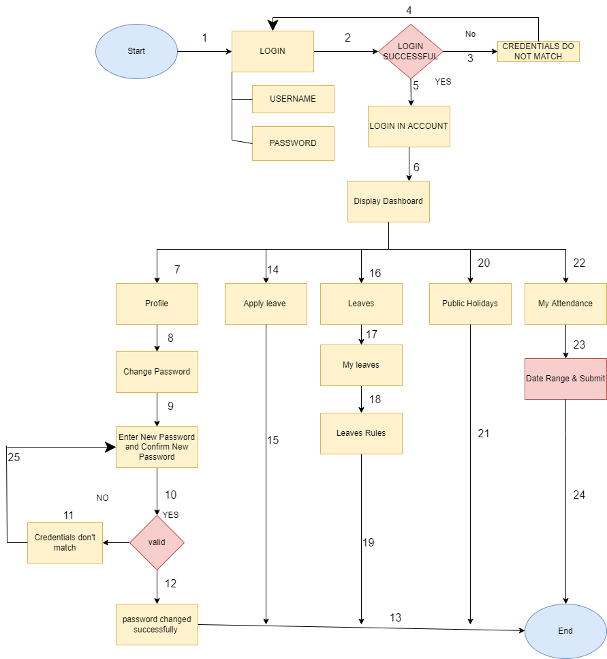
 |  | Final Project

FLOWCHART
 | A flowchart is a formalized graphic representation of a logic sequence, work or manufacturing process, organization chart, or similar formalized structure.

